MIZUNO
 |  |  |  |  |  |  | EU SIZE | 35 | 36 | 36.5 | 37 | 38 | 38.5 | 39 | 40 | 40.5 | 41 | 42 | 42.5 | 43 | 44 | 44.5 | 45 | 46 | 46.5 | 47 | 48.5 | 50 | 51
Pic | Brand | Season | Category | Sku | Article | Color Code | UK SIZE | 3 | 3H | 4 | 4H | 5 | 5H | 6 | 6H | 7 | 7H | 8 | 8H | 9 | 9H | 10 | 10H | 11 | 11H | 12 | 13 | 14 | 15 | Qty | WHL | RRP
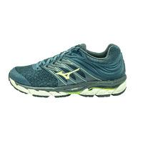 | MIZUNO | 22 | Running | J1GC1840 | SHOE WAVE PARADOX | 81 | OrionBlue/NeoLime/Ebony |  |  |  |  |  |  |  | 5 | 4 | 16 | 52 | 56 | 118 | 111 | 52 | 56 | 55 | 30 | 8 | 4 | 2 |  | 569 | 87.18 € | 170.00 €
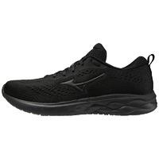 | MIZUNO | 22 | Running | J1GC2114 | SHOE WAVE REVOLT | 11 | Black/Black/DarkShadow |  |  | 19 | 35 | 45 | 30 | 49 | 69 | 23 | 78 | 163 | 70 | 166 | 67 | 33 | 63 | 38 | 16 | 3 |  |  |  | 967 | 51.28 € | 100.00 €
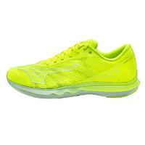 | MIZUNO | 22 | Running | J1GC2130 | SHOE WAVE SHADOW | 01 | NeoLime/White/NimbusCloud |  |  |  |  |  |  |  | 1 | 10 | 44 | 73 | 72 | 97 | 84 | 47 | 51 | 16 | 10 | 8 |  |  |  | 513 | 69.23 € | 135.00 €
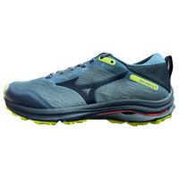 | MIZUNO | 22 | Running | J1GC2179 | SHOE WAVE RIDER GTX | 24 | OrionBlue/OrionBlue/NeoLime |  |  |  |  |  |  | 3 | 7 | 4 | 43 | 63 | 66 | 77 | 50 | 33 | 30 | 18 | 14 | 6 | 1 |  |  | 415 | 87.18 € | 170.00 €
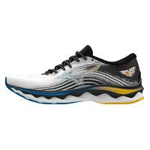 | MIZUNO | 22 | Running | J1GC2202 | SHOE WAVE SKY | 01 | White/Cyber Yellow/Indigo Bunting |  |  |  |  |  |  | 6 | 14 | 33 | 136 | 283 | 301 | 402 | 376 | 263 | 259 | 162 | 52 | 11 | 1 |  |  | 2299 | 92.31 € | 180.00 €
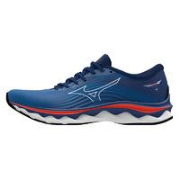 | MIZUNO | 22 | Running | J1GC2202 | SHOE WAVE SKY | 06 | Turkish Sea/White/Cherry Tomato |  |  |  |  |  |  | 1 |  | 14 | 38 | 76 | 108 | 135 | 141 | 101 | 75 | 62 | 20 | 30 | 9 |  |  | 810 | 92.31 € | 180.00 €
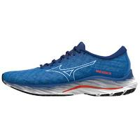 | MIZUNO | 22 | Running | J1GC2203 | SHOE WAVE RIDER | 05 | Super Sonic/Ice Water/C.Tomato |  |  |  |  |  |  | 1 | 10 | 7 | 84 | 139 | 126 | 200 | 169 | 107 | 99 | 22 | 18 | 6 | 2 |  |  | 990 | 82.05 € | 160.00 €
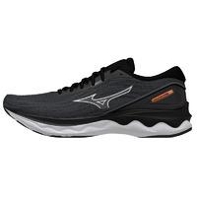 | MIZUNO | 22 | Running | J1GC2209 | SHOE WAVE SKYRISE | 04 | Black/Silver/Orange Copper |  |  |  | < |  |  | 2 | 8 | 38 | 147 | 302 | 294 | 411 | 359 | 245 | 173 | 99 | 16 | 25 | 5 |  |  | 2124 | 71.79 € | 140.00 €
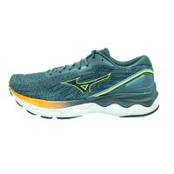 | MIZUNO | 22 | Running | J1GC2209 | SHOE WAVE SKYRISE | 81 | SmokeBlue/NeoLime/NeonFlame |  |  |  |  |  |  | 1 | 23 | 25 | 112 | 172 | 112 | 273 | 228 | 84 | 134 | 78 | 1 | 5 | 1 |  |  | 1249 | 71.79 € | 140.00 €
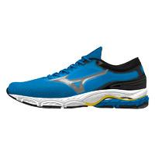 | MIZUNO | 22 | Running | J1GC2210 | SHOE WAVE PRODIGY | 01 | Indigo Bunting/8401 C/Black |  |  |  |  |  |  | 6 | 76 | 102 | 256 | 412 | 342 | 464 | 375 | 186 | 186 | 153 | 19 |  |  |  |  | 2577 | 61.54 € | 115.00 €
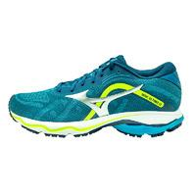 | MIZUNO | 22 | Running | J1GC2218 | SHOE WAVE ULTIMA | 05 | MoroccanBlue/Silver/GreenGecko |  |  |  |  |  |  |  | 36 | 79 | 253 | 408 | 193 | 637 | 450 | 149 | 320 | 166 | 35 | 20 |  | 2 |  | 2748 | 71.79 € | 140.00 €
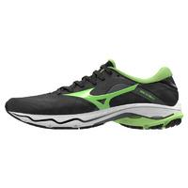 | MIZUNO | 22 | Running | J1GC2218 | SHOE WAVE ULTIMA | 52 | Iron Gate/Neo Lime/Black |  |  |  |  |  |  | 5 | 6 | 85 | 222 | 347 | 357 | 455 | 354 | 249 | 75 | 152 | 9 | 72 |  |  |  | 2388 | 71.79 € | 140.00 €
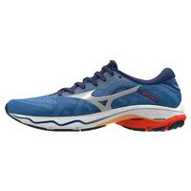 | MIZUNO | 22 | Running | J1GC2218 | SHOE WAVE ULTIMA | 53 | Turkish Sea/Silver/Cherry Tomato |  |  |  |  |  |  | 3 | 20 | 67 | 196 | 352 | 366 | 513 | 408 | 213 | 129 | 117 | 37 | 27 | 5 | 3 |  | 2456 | 71.79 € | 140.00 €
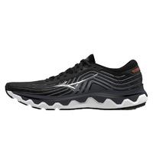 | MIZUNO | 22 | Running | J1GC2226 | SHOE WAVE HORIZON | 04 | Black/Silver/Orange Copper |  |  |  |  |  |  |  | 2 | 8 | 31 | 76 | 61 | 125 | 121 | 70 | 100 | 79 | 39 | 38 | 9 | 1 |  | 760 | 92.31 € | 180.00 €
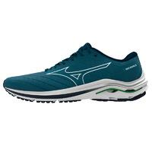 | MIZUNO | 22 | Running | J1GC2244 | SHOE WAVE INSPIRE | 02 | Moroccan Blue/White/Gibraltar Sea |  |  |  |  |  |  | 3 | 27 | 39 | 128 | 259 | 267 | 378 | 309 | 184 | 179 | 126 | 47 | 26 | 10 | 6 |  | 1988 | 76.92 € | 150.00 €
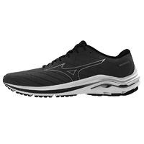 | MIZUNO | 22 | Running | J1GC2244 | SHOE WAVE INSPIRE | 04 | Black/Silver/Ebony |  |  |  |  |  |  |  | 1 | 24 | 50 | 146 | 137 | 188 | 202 | 69 | 60 | 44 | 23 | 22 | 4 |  |  | 970 | 76.92 € | 150.00 €
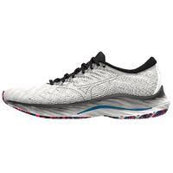 | MIZUNO | 22 | Running | J1GC2263 | SHOE WAVE RIDER | 01 | Snow White/8401 C/Indigo Bunting |  |  |  |  |  |  | 3 | 3 | 23 | 82 | 106 | 122 | 138 | 100 | 59 | 45 | 16 | 5 |  |  | 5 |  | 707 | 82.05 € | 160.00 €
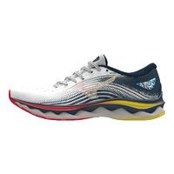 | MIZUNO | 22 | Running | J1GD2202 | SHOE WAVE SKY WOS | 21 | White/Hibiscus/Buttercup |  |  | 20 | 57 | 93 | 113 | 166 | 137 | 87 | 58 | 7 |  |  |  |  |  |  |  |  |  |  |  | 738 | 92.31 € | 180.00 €
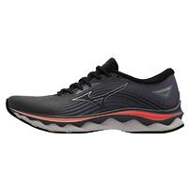 | MIZUNO | 22 | Running | J1GD2202 | SHOE WAVE SKY WOS | 22 | Black/Quicksilver/Hot Coral |  |  | 12 | 36 | 64 | 71 | 104 | 96 | 58 | 49 | 21 |  |  |  |  |  |  |  |  |  |  |  | 511 | 92.31 € | 180.00 €
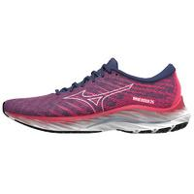 | MIZUNO | 22 | Running | J1GD2203 | SHOE WAVE RIDER WOS | 27 | Fest.Fuchsia/HalogenBlue/Innuendo |  | 11 | 28 | 81 | 110 | 146 | 134 | 303 | 86 | 40 | 6 | 1 | 3 |  |  |  |  |  |  |  |  |  | 949 | 82.05 € | 160.00 €
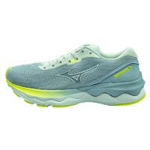 | MIZUNO | 22 | Running | J1GD2209 | SHOE WAVE SKYRISE WOS | 01 | White/White/NeoLime | 1 | 9 | 39 | 95 | 114 | 133 | 225 | 180 | 116 | 95 | 39 | 4 |  |  |  |  |  |  |  |  |  |  | 1050 | 71.79 € | 140.00 €
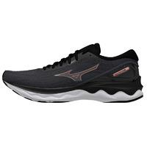 | MIZUNO | 22 | Running | J1GD2209 | SHOE WAVE SKYRISE WOS | 44 | Black/Rose Copper/Nimbus Cloud |  | 8 | 33 | 47 | 237 | 249 | 341 | 294 | 173 | 129 | 34 | 6 | 6 |  |  |  |  |  |  |  |  |  | 1557 | 71.79 € | 140.00 €
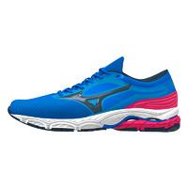 | MIZUNO | 22 | Running | J1GD2210 | SHOE WAVE PRODIGY WOS | 21 | Ibiza Blue/Moonlit Ocean/D. Pink |  |  | 15 | 35 | 45 | 44 | 74 | 61 | 39 | 44 | 14 | 1 |  |  |  |  |  |  |  |  |  |  | 372 | 61.54 € | 115.00 €
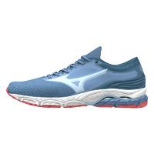 | MIZUNO | 22 | Running | J1GD2210 | SHOE WAVE PRODIGY WOS | 22 | Moun. Spring/Ice Water/Tea Rose |  |  | 37 | 160 | 236 | 225 | 295 | 246 | 121 | 177 | 16 | 3 |  |  |  |  |  |  |  |  |  |  | 1516 | 61.54 € | 115.00 €
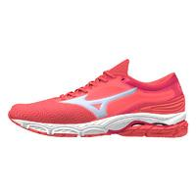 | MIZUNO | 22 | Running | J1GD2210 | SHOE WAVE PRODIGY WOS | 23 | Dubarry/Halogen Blue/Innuendo |  |  | 4 | 15 | 28 | 30 | 49 | 33 | 10 | 10 | 1 |  |  |  |  |  |  |  |  |  |  |  | 180 | 61.54 € | 115.00 €
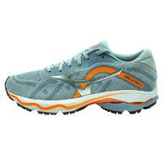 | MIZUNO | 22 | Running | J1GD2218 | SHOE WAVE ULTIMA WOS | 04 | Heather/Silver/NeonFlame | 9 | 3 | 9 | 166 | 176 | 61 | 230 | 116 | 54 | 80 | 18 | 9 |  |  |  |  |  |  |  |  |  |  | 931 | 71.79 € | 140.00 €
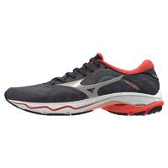 | MIZUNO | 22 | Running | J1GD2218 | SHOE WAVE ULTIMA WOS | 72 | Night Sky/Wind Chime/Hot Coral | 2 | 8 | 75 | 171 | 285 | 296 | 389 | 293 | 188 | 157 | 36 | 6 |  |  |  |  |  |  |  |  |  |  | 1906 | 71.79 € | 140.00 €
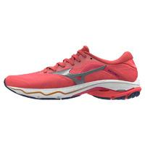 | MIZUNO | 22 | Running | J1GD2218 | SHOE WAVE ULTIMA WOS | 73 | Dubarry/Silver/Innuendo | 5 | 6 | 3 | 37 | 74 | 75 | 88 | 68 | 47 | 38 | 10 | 1 |  |  |  |  |  |  |  |  |  |  | 452 | 71.79 € | 140.00 €
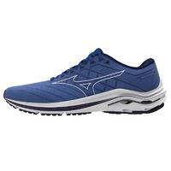 | MIZUNO | 22 | Running | J1GD2244 | SHOE WAVE INSPIRE WOS | 02 | AmparoBlue/White/DeepCobalt | 6 | 1 | 26 | 49 | 88 | 113 | 151 | 131 | 78 | 54 | 19 | 4 |  |  |  |  |  |  |  |  |  |  | 720 | 76.92 € | 150.00 €
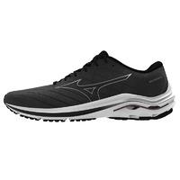 | MIZUNO | 22 | Running | J1GD2244 | SHOE WAVE INSPIRE WOS | 04 | Black/Silver/Ebony |  |  | 18 | 51 | 80 | 96 | 123 | 116 | 81 | 50 | 11 | 3 | 3 |  |  |  |  |  |  |  |  |  | 632 | 76.92 € | 150.00 €
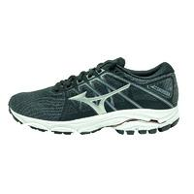 | MIZUNO | 22 | Running | J1GD2248 | SHOE WAVE EQUATE WOS | 04 | Ebony/Silver/RoseCopper |  |  |  | 13 | 26 | 42 | 42 | 34 | 22 | 21 | 3 |  |  |  |  |  |  |  |  |  |  |  | 203 | 66.67 € | 130.00 €
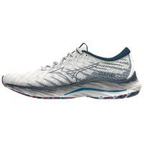 | MIZUNO | 22 | Running | J1GD2263 | SHOE WAVE RIDER WOS | 21 | Snow White/Silver/Ibiza Blue |  | 4 | 9 | 27 | 74 | 80 | 106 | 96 | 53 | 42 | 3 |  | 3 |  |  |  |  |  |  |  |  |  | 497 | 82.05 € | 160.00 €
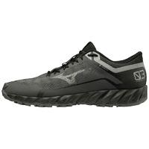 | MIZUNO | 22 | Running | J1GJ2059 | SHOE WAVE IBUKI GTX | 49 | DarkShadow/Met.Shadow/Black |  |  |  |  |  |  | 14 | 12 | 22 | 77 | 98 | 119 | 141 | 129 | 20 | 72 | 39 | 4 | 2 | 1 |  |  | 750 | 61.54 € | 120.00 €
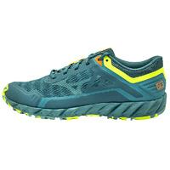 | MIZUNO | 22 | Running | J1GJ2073 | SHOE WAVE IBUKI | 17 | OrionBlue/SmokeBlue/NeoLime |  |  |  |  |  |  | 12 | 16 | 53 | 146 | 184 | 202 | 250 | 231 | 82 | 136 | 74 | 8 | 12 | 8 |  |  | 1414 | 56.41 € | 110.00 €
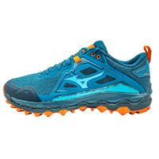 | MIZUNO | 22 | Running | J1GJ2170 | SHOE WAVE MUJIN | 18 | Morocc.Blue/AlgiersBlue/Grenadine |  |  |  |  |  |  | 4 | 13 | 7 | 29 | 59 | 69 | 93 | 85 | 70 | 63 | 50 | 29 | 19 | 8 |  |  | 598 | 76.92 € | 150.00 €
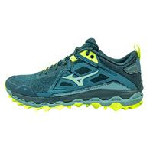 | MIZUNO | 22 | Running | J1GJ2170 | SHOE WAVE MUJIN | 27 | Tapestry/MistyBlue/NeoLime |  |  |  |  |  |  | 6 | 8 | 16 | 47 | 91 | 85 | 107 | 85 | 57 | 46 | 39 | 20 | 16 | 3 |  |  | 626 | 76.92 € | 150.00 €
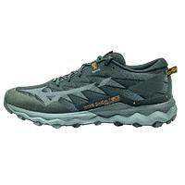 | MIZUNO | 22 | Running | J1GJ2256 | SHOE WAVE DAICHI GTX | 38 | Black/IronGate/MeccaOrange |  |  |  |  |  |  | 5 | 2 | 12 | 47 | 95 | 59 | 97 | 92 | 14 | 48 | 14 |  |  | 3 |  |  | 488 | 76.92 € | 150.00 €
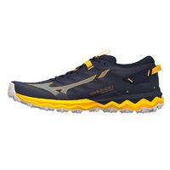 | MIZUNO | 22 | Running | J1GJ2271 | SHOE WAVE DAICHI | 51 | Night Sky/Tradewinds/Gold Fusion |  |  |  |  |  |  | 4 | 40 | 52 | 214 | 321 | 244 | 398 | 351 | 171 | 211 | 124 | 28 |  | 6 |  |  | 2164 | 71.79 € | 140.00 €
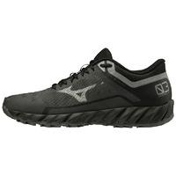 | MIZUNO | 22 | Running | J1GK2059 | SHOE WAVE IBUKI GTX WOS | 52 | DarkShadow/MettalicGray/Black |  |  | 27 | 102 | 173 | 124 | 228 | 170 | 45 | 96 | 7 |  |  |  |  |  |  |  |  |  |  |  | 972 | 61.54 € | 120.00 €
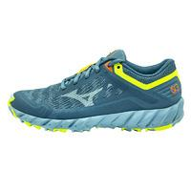 | MIZUNO | 22 | Running | J1GK2073 | SHOE WAVE IBUKI WOS | 21 | VintageIndigo/SubduedBlue/NeoLime |  |  | 21 | 105 | 185 | 139 | 259 | 216 | 60 | 103 | 33 |  |  |  |  |  |  |  |  |  |  |  | 1121 | 56.41 € | 110.00 €
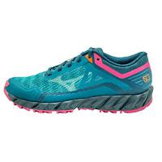 | MIZUNO | 22 | Running | J1GK2073 | SHOE WAVE IBUKI WOS | 32 | GulfCoast/Lagoon/PinkPeacock |  |  | 26 | 107 | 153 | 116 | 192 | 157 | 62 | 67 | 17 |  |  |  |  |  |  |  |  |  |  |  | 897 | 56.41 € | 110.00 €
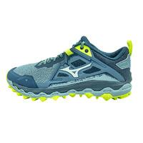 | MIZUNO | 22 | Running | J1GK2170 | SHOE WAVE MUJIN WOS | 01 | Troposphere/White/NeoLime |  |  | 3 | 11 | 31 | 57 | 71 | 54 | 38 | 25 | 8 |  |  |  |  |  |  |  |  |  |  |  | 298 | 76.92 € | 150.00 €
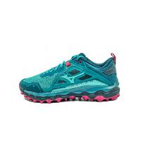 | MIZUNO | 22 | Running | J1GK2170 | SHOE WAVE MUJIN WOS | 32 | Kayaking/Lagoon/PinkPeacock |  |  | 7 | 25 | 51 | 45 | 58 | 57 | 28 | 35 | 4 |  |  |  |  |  |  |  |  |  |  |  | 310 | 76.92 € | 150.00 €
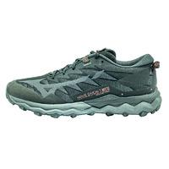 | MIZUNO | 22 | Running | J1GK2256 | SHOE WAVE DAICHI GTX WOS | 38 | Black/IronGate/GarnetRose | 6 | 9 | 30 | 82 | 125 | 131 | 128 | 132 | 78 | 86 | 28 | 3 |  |  |  |  |  |  |  |  |  |  | 838 | 76.92 € | 150.00 €
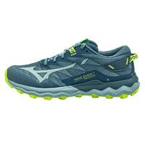 | MIZUNO | 22 | Running | J1GK2271 | SHOE WAVE DAICHI WOS | 21 | VintageIndigo/SubduedBlue/NeoLime |  | 4 | 13 | 76 | 93 | 75 | 101 | 84 | 58 | 60 | 12 | 7 |  |  |  |  |  |  |  |  |  |  | 583 | 71.79 € | 140.00 €
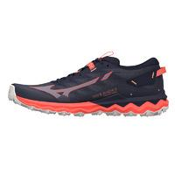 | MIZUNO | 22 | Running | J1GK2271 | SHOE WAVE DAICHI WOS | 71 | Night Sky/Quicksilver/Hot Coral |  | 3 | 40 | 144 | 194 | 157 | 243 | 225 | 122 | 120 | 15 | 2 |  |  |  |  |  |  |  |  |  |  | 1265 | 71.79 € | 140.00 €
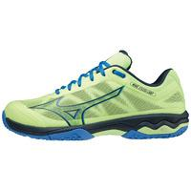 | MIZUNO | 22 | Tennis | 61GB2222 | SHOE WAVE EXCEED LIGHT PADEL | 45 | NeoLime/TotalEclipse/SuperSonic |  |  |  |  |  |  | 17 | 41 | 24 | 64 | 81 | 79 | 113 | 90 | 55 | 82 | 36 |  | 4 |  |  |  | 686 | 61.54 € | 110.00 €
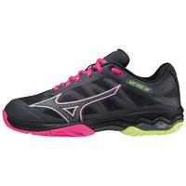 | MIZUNO | 22 | Tennis | 61GB2223 | SHOE WAVE EXCEED LIGHT PADEL W | 07 | Ebony/PinkGlo/NeoLime |  |  | 18 | 64 | 107 | 78 | 104 | 82 | 57 | 50 | 11 |  |  |  |  |  |  |  |  |  |  |  | 571 | 56.41 € | 110.00 €

